Instructions
PRATT & WHITNEY SUBSTANCE DECLARATION FORM INSTRUCTIONS
 | THIS DOCUMENT CONTAINS NO TECHNICAL DATA PER EAR OR ITAR

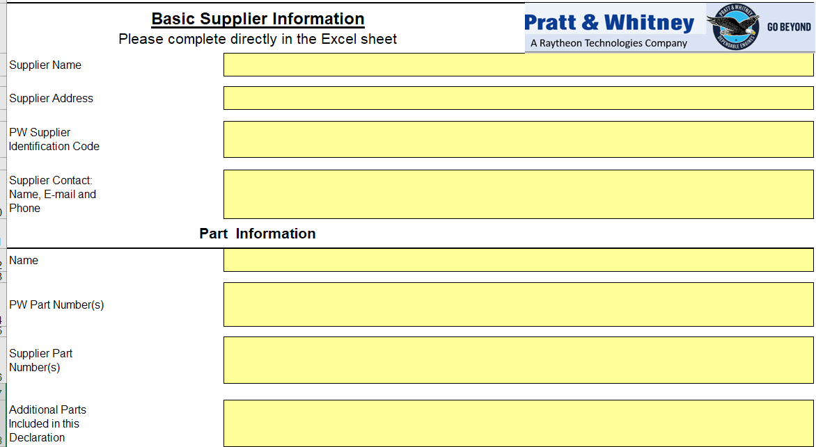
Basic information about the supplier: Please provide the information about the company that is completing the Substance Declaration Form (SDF) and the information of the contact person who is responsible for responding to inquiries regarding the completed SDF.

Part information: Please provide all parts information as requested by PW. Please provide one form for multiple parts if the information is the same for all of them.

Please indicate, if applicable, whether additional parts are included in this declaration form.

Compliance Statements: Please check the appropriate box to confirm product statements. Statement 1 confirms the absence of any Declarable Substance in the products delivered. Statement 2 confirms the absence of any Declarable Substance used in the manufacturing process of the products (and which not remained in the articles).

Substances Declaration: Please identify all part numbers listed in the Part Information that contain declarable substances above 0.1% (w/w) ("threshold") in each article. An Excel sheet "Declarable Substance List" is provided for completing the substance declaration.
The CAS number column can be completed using a drop down list or by typing on the cell and the Declarable Substance Name is automatically populated.
If the part number or product contains no declarable substances in quantities above the threshold, write NONE in CAS number and declarable substance columns. Please also indicate when concentration is unknown.
TARIC code, Concentration Range, and Material Category columns can be completed using a drop down list.
SCIP Notification ID: Please provide this ID if available
Last column to the right: If the answer is (Y), please provide type of process.
For more information, please review the Relevant Information tab



DECLARABLE SUBSTANCE LIST INTRUCTIONS

Right click on (1) to collapse all lists.

Right click on (2) to expand sub lists. Click on (3) to expand all lists

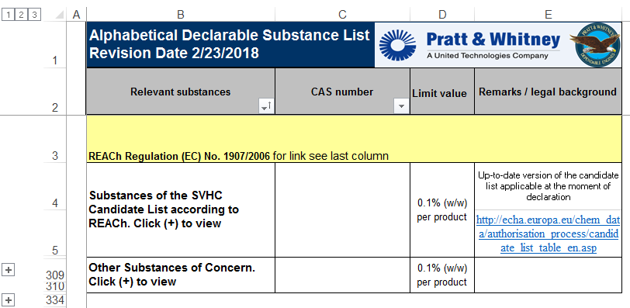

Right Click on (+) signs to expand each list. Right Click on (-) signs to collapse each list

